Cover page
DATA VISUALISATION
ASSIGNMENT

GROUP NUMBER: 1

GROUP MEMBERS:
1. Soham Sanjay Vaidya (94169353)
2. Shashank Msehettahalli Dinesh (49818723)
3. Aanchal Saini (27778257)

Objectives
Object Overview: Ecommerce Sales Analysis Dashboard

The Ecommerce Sales Analysis Dashboard is a powerful tool that offers a comprehensive analysis of key performance indicators (KPIs) for sales in an e-commerce business. It provides valuable insights and data-driven decision-making capabilities to enhance overall sales performance. With its user-friendly and intuitive interface, the dashboard presents information through a variety of charts and visualizations, making it easy to interpret and utilize. The dashboard emphasises on sales and profit, as our business objective is to increase sales and profit. Let's delve into the main elements of this dashboard.
Key Performance Indicators (KPIs):
The dashboard presents five essential KPIs to track the performance of the e-commerce business:
(a) Sales: This key performance indicator (KPI) offers a comprehensive view of the total revenue generated from sales during a specific time frame.
(b) Profit: It signifies the overall profitability of the business and is calculated as the difference between sales and costs.
(c) Quantity: This metric represents the total number of units sold, providing insight into the volume of sales.
(d) Number of Orders: This KPI indicates the total count of orders received within the specified period.
(e) Average Profit per Quantity: This performance measure calculates the average profit earned per unit sold by dividing the total profit by the quantity of orders.
Graphs:
Monthly Sales Cluster Column Chart:
This chart displays the clusters of monthly sales data, allowing the identification of the trends, patterns, and seasonal variations in sales over time.
Regional Sales Heatmap Chart:
The heatmap chart geographically represents the sales performance across different regions. It helps to identify high-performing regions, potential market opportunities, and areas for improvement.
Monthly Profit Line Chart:
This chart depicts the monthly profit trend over time. It allows for the identification of profit growth, fluctuations, and seasonality.
Shipping Profit Treemap:
The treemap visualization presents a hierarchical view of shipping profits. It helps identify shipping-related profit contributions from different shipping modes .
Top 5 Product Category Sales Cluster Bar Chart:
This chart highlights the sales data for the top five product categories and compare them. It assists in identifying the most popular and profitable product categories.
Segmented Profit Donut Chart:
The donut chart provides a visual breakdown of the segmented profit distribution. It represents the proportionate contribution of different segments to the overall profit.
Time and Regional Filters:
The dashboard incorporates slicer options for selecting specific years and regions. Users can filter the data to focus on specific timeframes or regions of interest.
Conclusion:
The Ecommerce Sales Analysis Dashboard offers a comprehensive view of important sales metrics such as revenue, profitability, quantity, order count, and average profit per quantity. It presents these metrics through various visualizations like column charts, heatmaps, line charts, treemaps, bar charts, and pie charts, providing valuable insights into sales trends, regional performance, profit growth, shipping profitability, product category analysis and profit from segments. These insights enable businesses to make informed decisions, optimize sales strategies, enhance profitability, and identify opportunities for growth. The visualization and filtering capabilities of the dashboard empower companies to unlock the full potential of their e-commerce ventures by leveraging data-driven analysis.

Wireframe
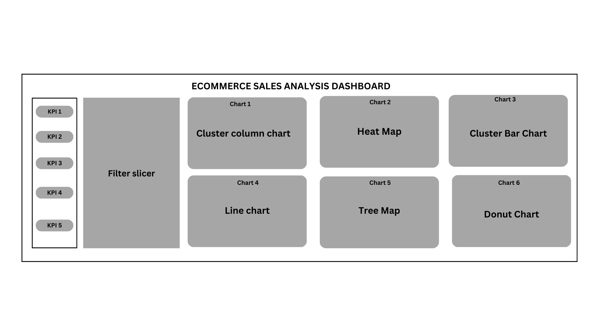

Calculations
 |  |  | GRAPHS
Months | Sum of Sales |  |  |  |  |  | Months | Sum of Profit
Jan | 95365.9376 |  |  |  |  |  | Jan | 9199.27
Feb | 60172.6494 |  |  |  |  |  | Feb | 10288.8987
Mar | 199252.984 |  |  |  |  |  | Mar | 26806.5737
Apr | 141851.5674 |  |  |  |  |  | Apr | 13437.8068
May | 156122.2867 |  |  |  |  |  | May | 22308.5128
Jun | 147082.6113 |  |  |  |  |  | Jun | 20899.3345
Jul | 149580.838 |  |  |  |  |  | Jul | 13535.383
Aug | 159589.451 |  |  |  |  |  | Aug | 21896.7154
Sep | 309770.0997 |  |  |  |  |  | Sep | 37293.1925
Oct | 197115.2017 |  |  |  |  |  | Oct | 31469.6638
Nov | 349120.074 |  |  |  |  |  | Nov | 35825.5366
Dec | 332177.1595 |  |  |  |  |  | Dec | 43436.1339
Grand Total | 2297200.8603 |  |  |  |  |  | Grand Total | 286397.0217

Categories | Sum of Profit |  |  |  |  |  | Ship Mode | Sum of Profit
Furniture | 18451.2728 |  |  |  |  |  | First Class | 48969.8399
Office Supplies | 122490.8008 |  |  |  |  |  | Same Day | 15891.7589
Technology | 145454.9481 |  |  |  |  |  | Second Class | 57446.6354
Grand Total | 286397.0217 |  |  |  |  |  | Standard Class | 164088.7875
 |  |  |  |  |  |  | Grand Total | 286397.0217

States | Sum of Sales |  | States | Sum of Sales
Alabama | 19510.64 |  | Alabama | 19510.64
Arizona | 35282.001 |  | Arizona | 35282.001 |  |  |  |  |  |  | Row Labels | Sum of Sales
Arkansas | 11678.13 |  | Arkansas | 11678.13 |  |  |  |  |  |  | Binders | 203412.733
California | 457687.6315 |  | California | 457687.6315 |  |  |  |  |  |  | Chairs | 328449.103
Colorado | 32108.118 |  | Colorado | 32108.118 |  |  |  |  |  |  | Phones | 330007.054
Connecticut | 13384.357 |  | Connecticut | 13384.357 |  |  |  |  |  |  | Storage | 223843.608
Delaware | 27451.069 |  | Delaware | 27451.069 |  |  |  |  |  |  | Tables | 206965.532
District of Columbia | 2865.02 |  | District of Columbia | 2865.02 |  |  |  |  |  |  | Grand Total | 1292678.03
Florida | 89473.708 |  | Florida | 89473.708
Georgia | 49095.84 |  | Georgia | 49095.84
Idaho | 4382.486 |  | Idaho | 4382.486
Illinois | 80166.101 |  | Illinois | 80166.101
Indiana | 53555.36 |  | Indiana | 53555.36
Iowa | 4579.76 |  | Iowa | 4579.76
Kansas | 2914.31 |  | Kansas | 2914.31
Kentucky | 36591.75 |  | Kentucky | 36591.75
Louisiana | 9217.03 |  | Louisiana | 9217.03
Maine | 1270.53 |  | Maine | 1270.53
Maryland | 23705.523 |  | Maryland | 23705.523
Massachusetts | 28634.434 |  | Massachusetts | 28634.434
Michigan | 76269.614 |  | Michigan | 76269.614
Minnesota | 29863.15 |  | Minnesota | 29863.15
Mississippi | 10771.34 |  | Mississippi | 10771.34
Missouri | 22205.15 |  | Missouri | 22205.15
Montana | 5589.352 |  | Montana | 5589.352
Nebraska | 7464.93 |  | Nebraska | 7464.93
Nevada | 16729.102 |  | Nevada | 16729.102
New Hampshire | 7292.524 |  | New Hampshire | 7292.524
New Jersey | 35764.312 |  | New Jersey | 35764.312
New Mexico | 4783.522 |  | New Mexico | 4783.522
New York | 310876.271 |  | New York | 310876.271
North Carolina | 55603.164 |  | North Carolina | 55603.164
North Dakota | 919.91 |  | North Dakota | 919.91
Ohio | 78258.136 |  | Ohio | 78258.136
Oklahoma | 19683.39 |  | Oklahoma | 19683.39
Oregon | 17431.15 |  | Oregon | 17431.15
Pennsylvania | 116511.914 |  | Pennsylvania | 116511.914
Rhode Island | 22627.956 |  | Rhode Island | 22627.956
South Carolina | 8481.71 |  | South Carolina | 8481.71
South Dakota | 1315.56 |  | South Dakota | 1315.56
Tennessee | 30661.873 |  | Tennessee | 30661.873
Texas | 170188.0458 |  | Texas | 170188.0458
Utah | 11220.056 |  | Utah | 11220.056
Vermont | 8929.37 |  | Vermont | 8929.37
Virginia | 70636.72 |  | Virginia | 70636.72
Washington | 138641.27 |  | Washington | 138641.27
West Virginia | 1209.824 |  | West Virginia | 1209.824
Wisconsin | 32114.61 |  | Wisconsin | 32114.61
Wyoming | 1603.136 |  | Wyoming | 1603.136
Grand Total | 2297200.8603 |  | Grand Total | 2297200.8603

 |  |  | KPI

Months | Sum of Sales |  |  |  | Months | Sum of Profit |  |  | Months | Sum of Quantity
Jan | 95365.9376 |  |  |  | Jan | 9199.27 |  |  | Jan | 1500
Feb | 60172.6494 |  |  |  | Feb | 10288.8987 |  |  | Feb | 1068
Mar | 199252.984 |  |  |  | Mar | 26806.5737 |  |  | Mar | 2491
Apr | 141851.5674 |  |  |  | Apr | 13437.8068 |  |  | Apr | 2441
May | 156122.2867 | $2,297,200.86 |  |  | May | 22308.5128 | $286,397.02 |  | May | 2850 | # 37873
Jun | 147082.6113 |  |  |  | Jun | 20899.3345 |  |  | Jun | 2644
Jul | 149580.838 |  |  |  | Jul | 13535.383 |  |  | Jul | 2705
Aug | 159589.451 |  |  |  | Aug | 21896.7154 |  |  | Aug | 2796
Sep | 309770.0997 |  |  |  | Sep | 37293.1925 |  |  | Sep | 5073
Oct | 197115.2017 |  |  |  | Oct | 31469.6638 |  |  | Oct | 3095
Nov | 349120.074 |  |  |  | Nov | 35825.5366 |  |  | Nov | 5741
Dec | 332177.1595 |  |  |  | Dec | 43436.1339 |  |  | Dec | 5469
Grand Total | 2297200.8603 |  |  |  | Grand Total | 286397.0217 |  |  | Grand Total | 37873

Months | Count of Order ID |  |  |  | Months | Sum of Average profit per quantity
Jan | 387 |  |  |  | Jan | $6.13
Feb | 301 |  |  |  | Feb | $9.63
Mar | 680 |  |  |  | Mar | $10.76
Apr | 663 | # 9994 |  |  | Apr | $5.51
May | 750 |  |  |  | May | $7.83 | $7.56
Jun | 709 |  |  |  | Jun | $7.90
Jul | 708 |  |  |  | Jul | $5.00
Aug | 710 |  |  |  | Aug | $7.83
Sep | 1386 |  |  |  | Sep | $7.35
Oct | 817 |  |  |  | Oct | $10.17
Nov | 1462 |  |  |  | Nov | $6.24
Dec | 1421 |  |  |  | Dec | $7.94
Grand Total | 9994 |  |  |  | Grand Total | $7.56

 |  |  | KPI YOY

Years | Sum of Sales | Sum of Profit | Count of Order ID | Sum of Quantity | Sum of Average profit per quantity
2011 | 484247.4981 | 49543.9741 | 1993 | 7581 | 6.5352821659
2012 | 470532.509 | 61618.6037 | 2102 | 7979 | 7.7225972804
2013 | 608473.83 | 81726.9308 | 2580 | 9810 | 8.3309817329
2014 | 733947.0232 | 93507.5131 | 3319 | 12503 | 7.4788061345
Grand Total | 2297200.8603 | 286397.0217 | 9994 | 37873 | 7.5620368521

 | ▲20.62%
 | ▲14.41%
 | ▲28.64%
 | ▲27.45%
 | ▼ 10.23%

 |  |  | SLICERS

Dashboard
ECOMMERCE SALES ANALYSIS DASHBOARD

 | Total
Jan | 95365.9376
Feb | 60172.6494
Mar | 199252.984
Apr | 141851.5674
May | 156122.2867
Jun | 147082.6113
Jul | 149580.838
Aug | 159589.451
Sep | 309770.0997
Oct | 197115.2017
Nov | 349120.074
Dec | 332177.1595
SALES
$22,97,200.86
FILTERS
 | Total
Jan | 95365.9376
Feb | 60172.6494
Mar | 199252.984
Apr | 141851.5674
May | 156122.2867
Jun | 147082.6113
Jul | 149580.838
Aug | 159589.451
Sep | 309770.0997
Oct | 197115.2017
Nov | 349120.074
Dec | 332177.1595
MONTHLY SALES FINANCIAL PERFORMANCE
REGIONAL SALES OVERVIEW
 | Total
Binders | 203412.733
Chairs | 328449.103
Phones | 330007.054
Storage | 223843.608
Tables | 206965.532
TOP 5 PRODUCT CATEGORY SALES BREAKDOWN

 | Total
Jan | 9199.27
Feb | 10288.8987
Mar | 26806.5737
Apr | 13437.8068
May | 22308.5128
Jun | 20899.3345
Jul | 13535.383
Aug | 21896.7154
Sep | 37293.1925
Oct | 31469.6638
Nov | 35825.5366
Dec | 43436.1339
PROFIT
$2,86,397.02

 | Total
Jan | 1500
Feb | 1068
Mar | 2491
Apr | 2441
May | 2850
Jun | 2644
Jul | 2705
Aug | 2796
Sep | 5073
Oct | 3095
Nov | 5741
Dec | 5469
QUANTITY
# 37873

 | Total
Furniture | 18451.2728
Office Supplies | 122490.8008
Technology | 145454.9481
SEGMENTED PROFITABLILTY REPORT
 | Total
Jan | 9199.27
Feb | 10288.8987
Mar | 26806.5737
Apr | 13437.8068
May | 22308.5128
Jun | 20899.3345
Jul | 13535.383
Aug | 21896.7154
Sep | 37293.1925
Oct | 31469.6638
Nov | 35825.5366
Dec | 43436.1339
MONTHLY PROFIT ANALYSIS
SHIPPING PROFIT METRICS

 | Total
Jan | $6.13
Feb | $9.63
Mar | $10.76
Apr | $5.51
May | $7.83
Jun | $7.90
Jul | $5.00
Aug | $7.83
Sep | $7.35
Oct | $10.17
Nov | $6.24
Dec | $7.94
 | Total
Jan | 387
Feb | 301
Mar | 680
Apr | 663
May | 750
Jun | 709
Jul | 708
Aug | 710
Sep | 1386
Oct | 817
Nov | 1462
Dec | 1421
AVG PROFIT PER QUANTITY
$7.56
NO. OF ORDERS
# 9994

